Sheet1
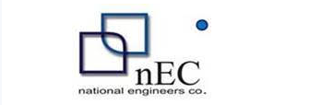

M/S Khan Brothers |  |  |  |  | 14-Nov-23

PO # 57
Att: Mr. Asim

PURCHASE ORDER

Supply of Pressure Switch for the project (Engro Office Harbour Front Clifton Karachi)
S No. | D e s c r i p t i o n | Qty | Unit | Rate | Amount
1 | PRESSURE SWITCH KPI 36 (Danfoss - 60-3169) Danfoss Pressure Switch Type: KPI 36 Range: 2 to 12 Bar Differential: 0.5 to 1.6 Product Code: 060-316966 Size: 1⁄4” Make: DANFOSS | 3 | Nos | 15,000 | 45,000 | 1,044
 |  | TOTAL: |  |  | 45,000
GST 18% |  |  |  |  | 8,100
Total amount |  |  |  |  | 53,100

for NATIONAL ENGINEERING SERVICES

